ECU
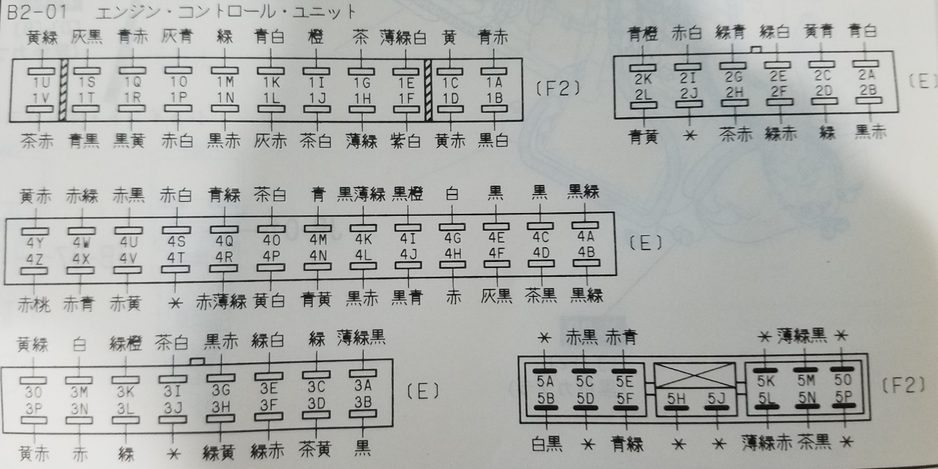

 | Credit to Valkyrie on rx7club for this translation (B section of Cosmo wiring diagrams)

 | Terminal | Wire Color | Signal Name | Component | Measurement Condition |  | Voltage
 | 1A | Blue/Red | Backup Power | Battery | Constant |  | Battery Voltage

 | 1B | Black/White | Battery Voltage | Main Relay | Ignition Switch | OFF | ≤1.0
 |  |  |  |  |  | ON | Battery Voltage
 | 1C | Yellow | Starter Signal | Ignition Switch | Ignition Switch ON
 |  |  |  |  | During Cranking |  | 8 to 11
 | 1D | Yellow/Red | Monitor Output Signal | Diagnosis Connector MEN Terminal | TEN Terminal Ground |  | Battery Voltage
 |  |  |  |  | Monitored Items* Not Activated
 |  |  |  |  | Monitored Items* Activated |  | ≤1.0
 |  |  |  |  | O2 Monitor (During Idling) |  | 0.1 to 0.9
 | 1E (20B-REW) | Pale Green/White | IGF-L (Leading Ignition Confirmation Signal) | Igniter | Ignition Switch ON |  | ≤1.0
 |  |  |  |  | (Reference) Oscilloscope Waveform During Idling |  | 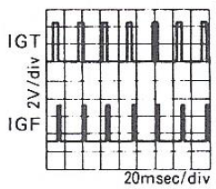 ~0.5-1.5 (Reference Value)
 |  |  |  |  | At 2500 RPM |  | 1.5~2.0
 | 1F | Purple/White | Code Output Signal | Diagnosis Connector FEN Terminal | No Codes Active |  | Battery Voltage
 |  |  |  |  | With Active Codes |  | Under 1.0 to Battery Voltage

 | *A/C, starter signal, inhibiter switch, electrical load

 | Terminal | Wire Color | Signal Name | Component | Measurement Condition |  | Voltage
 | 1G | Brown | IGT-T (Trailing Ignition Signal) | Igniter | Ignition Switch ON |  | ≤1.0
 |  |  |  |  | (Reference) Oscilloscope Waveform During Idling |  | Approx. 1.0 (Ref. Value)
 |  |  |  |  | At 2500 RPM |  | 1.0~1.5
 | 1H | Pale Green | IGT-L (Leading Ignition Signal) | Igniter | Ignition Switch ON |  | ≤1.0
 |  |  |  |  | (Reference) Oscilloscope Waveform During Idling |  | Approx. 1.0 (Ref. Value)
 |  |  |  |  | At 2500 RPM |  | 1.0~1.5
 | 1I | Orange | Initial Set Signal | Diagnosis Connector TEN Terminal | TEN Terminal Shorted |  | ≤1.0
 |  |  |  |  | TEN Terminal Open |  | Battery Voltage
 | 1J | Brown/White | IGS-T (13B-REW) IGS1-T (20B-REW) (Trailing Rotor Discrimination Signal) | Igniter | Ignition Switch ON |  | ≤1.0
 |  |  |  |  | (Reference) Oscilloscope Waveform During Idling |  | 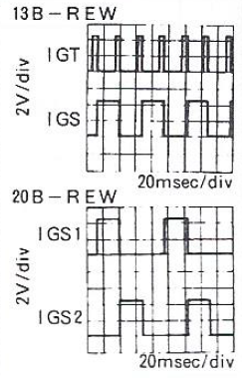
 |  |  |  |  | At 2500 RPM |  | 2.5~3.5 (13B-REW) 1.5~2.5 (20B-REW)
 | 1K | Blue/White | Fuel Pump Drive Signal | Fuel Pump Resister Relay 1 | Ignition Switch ON |  | Battery Voltage
 |  |  |  |  | During Cranking |  | ≤1.0
 |  |  |  |  | During Idling |  | Battery Voltage

 | Terminal | Wire Color | Signal Name | Component | Measurement Condition |  | Voltage
 | 1L | Gray/Red | Compressor Cut Signal | A/C Amp | During Idling (A/C Switch ON) |  | Approx. 0.5
 |  |  |  |  | During Acceleration (A/C Switch ON) |  | 1.7~3.3
 |  |  |  |  | During Hard Acceleration or P/S Activation (A/C Switch ON) |  | ≤1.6
 | 1M | Green | 180 km/h Signal | Combination Meter | Under 180 km/h |  | Battery Voltage
 |  |  |  |  | ≥180 km/h |  | ≤1.0
 | 1N | Black/Red | P/S Pressure Signal | P/S Pressure Switch | During P/S Activation |  | ≤1.0
 |  |  |  |  | P/S Not Activated |  | Battery Voltage
 | 1O | Gray/Blue | Compressor Torque Signal | A/C Amp | A/C Switch ON (Idling) |  | 1.2~4.3
 |  |  |  |  | AC Switch OFF |  | ≤1.2
 | 1P | Red/White | Thermosensor Signal | Catalytic Converter Amp | Ignition Switch ON |  | ≤3.0
 |  |  |  |  | During Idling |  | Battery Voltage
 |  |  |  |  | Catalytic Converter ≥850C |  | ≤2.0
 | 1Q | Blue/Red | Idle Signal (EC-AT) | EC-AT CU | WOT (After Warm-up) |  | ≤1.0
 |  |  |  |  | WOT |  | ~5.0
 | 1R | Black/Yellow | Inhibiter Signal | Inhibiter Switch | P, N Ranges |  | ≤1.0
 |  |  |  |  | Any Range but P, N |  | Battery Voltage
 | 1S | Gray/Black | Electrical Load Signal | TWS CU | Blower Motor, Headlights, Rear Defogger, Fog Lights are: |  | ≤ 3.5
 |  |  |  |  | Rear Defogger ON or ≥2 Electrical Loads
 |  |  |  |  | One Electrical Load (Other Than Rear Defogger) |  | 3.5-4.5
 |  |  |  |  | No Electrical Loads |  | ≥4.5

 | Terminal | Wire Color | Signal Name | Component | Measurement Condition |  | Voltage
 | 1T | Blue/Black | Circuit Opening Relay | Circuit Opening Relay | Ignition Switch ON |  | Battery Voltage
 |  |  |  |  | During cranking, idling, or when the F/P terminal (diag. connector) is shorted |  | ≤1.0
 | 1U | Yellow/Green | Torque Reduction Request Signal | EC-AT CU | POWER or NORMAL mode, D, S, or L range, and throttle above 4/8ths when shifting from 1st to 2nd, or 2nd to 3rd |  | ≤ 2.0
 |  |  |  |  | All conditions beside the above |  | Battery Voltage
 | 1V | Brown/Black (13B) Brown/Red (20B) | IGF-T (Trailing Ignition Confirmation Signal) | Igniter | Ignition Switch ON |  | ≤1.0
 |  |  |  |  | (Reference) Oscilloscope Waveform During Idling |  | 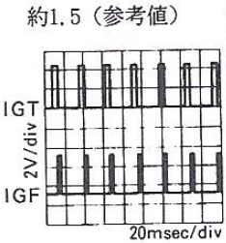 Approx. 1.5 (Reference Value)
 | 2A | Blue/White | Turbo Control Signal (Turbo System) | 3-way Solenoid Valve (TCNT Turbo Control) (Brown) | Ignition Switch ON |  | Battery Voltage
 |  |  |  |  | During idling |  | Battery Voltage
 |  |  |  |  | ?(13B-REW) ?(20B-REW) |  | ≤1.0
 | 2B | Black/Red | Charge Relief Signal (Turbo System) | 3-way Solenoid Valve (CRF Charge Relief) (Black) | When Ignition Switch is ON |  | Battery Voltage
 |  |  |  |  | During Idle |  | Battery Voltage
 |  |  |  |  | ≥4500 RPM (13B-REW) ≥4250 RPM (20B-REW) |  | ≤1.0
 | 2C | Charge/Control Signal (Turbo System) | Charge Control Signal (Turbo System) | 3-way Solenoid Valve (CCNT Charge Control) (Orange) | Ignition Switch ON |  | Battery Voltage
 |  |  |  |  | During Idle |  | Battery Voltage
 |  |  |  |  | ≥4500 RPM (13B-REW) ≥4250 RPM (20B-REW) |  | ≤1.0

 | Terminal | Wire Color | Signal Name | Component | Measurement Condition |  | Voltage
 | 2D | Green | Boost Control Signal (Turbo System) | Duty Solenoid Valve | Ignition Switch ON |  | Approx. 1.0 (Reference Value)
 |  |  |  |  | (Reference) Oscilloscope Waveform During Idling |  | 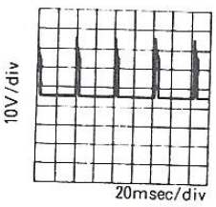 Approx. 2.5 (Reference Value)
 | 2E | Green/White | Wastegate Control Signal (Turbo System) | 3-way Solenoid Valve (Wastegate Control) Yellow | Ignition Switch ON |  | ≤1.0*
 |  |  |  |  | During Idle |  | ≤1.0
 |  |  |  |  | ≥4500 RPM (13B-REW) ≥4250 RPM (20B-REW) |  | Battery Voltage
 | 2F | Green/Red | Slip Lockup OFF Signal (EC-AT) | EC-AT CU | When Racing at 4,000 RPM (20B) A/C OFF (13B) |  | Battery Voltage
 |  |  |  |  | During Idle (20B) A/C ON (13B) |  | ≤1.0
 | 2G | Green/Blue | Power Mode Signal (EC-AC) | EC-AT CU | POWER Mode Selected |  | Battery Voltage
 |  |  |  |  | NORMAL Mode Selected |  | ≤1.0
 | 2H | Brown/Red | Hydro Booster Signal | Hydro Lock Unit | Ignition Switch ON (Brake Not Pressed) |  | Battery Voltage
 |  |  |  |  | When Pumping the Brake Pedal (Motor Activated) (IG ON) |  | ≤1.0
 | 2I | Red/White | Blower MAX HI Signal | A/C Amp | Manual Blower Level 1, 2 |  | Battery Voltage
 |  |  |  |  | Manual Blower Level 3 |  | ≤1.0
 | 2J | - | - | - | - |  | -

 | 2K | Blue/Orange | Shift Solenoid A Signal (EC-AT) | EC-AT CU | P, N, R Range AND 1st/Overdrive |  | Battery Voltage
 |  |  |  |  | 2nd or 3rd |  | ≤2.0
 | 2L | Blue/Yellow | Shift Solenoid B Signal (EC-AT) | EC-AT CU | P, N, R Range AND 1st /Overdrive |  | Battery Voltage
 |  |  |  |  | 3rd or Overdrive |  | ≤2.0

 | * ?

 | Terminal | Wire Color | Signal Name | Component | Measurement Condition |  | Voltage
 | 3A | Pale Green/Black | Metering Oil Pump Position Signal | MOP Position Sensor | Ignition Switch ON |  | 1.0~4.2
 |  |  |  |  | During Idle |  | Approx. 1.1
 |  |  |  |  | During Acceleration |  | 1.1-->4.2
 | 3B | Black | Intake Air Volume (Vs) | Air Flow Meter | Reference Values (No Load, After Warm-up) | Idling | 2.5~3.5
 |  |  |  |  |  | 1000 RPMs | 2.0~2.5
 |  |  |  |  |  | 2000 RPMs | 1.5~2.0
 | 3C | Green | O2 Sensor Signal | O2 Sensor | During Idle | Engine Cold | 0
 |  |  |  |  |  | Engine Hot | 0.0~1.0
 |  |  |  |  | During Acceleration (After Warm-up) |  | 0.5~1.0
 |  |  |  |  | During Deceleration (After Warm-up) |  | 0.0~0.4
 | 3D | Brown/Yellow | Fuel Temperature Signal | Fuel Temp Sensor | - |  | 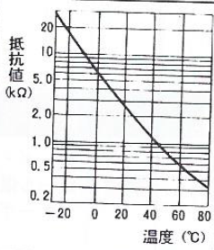
 | 3E | Green/White | Water Temperature Signal | Water Temperature Sensor | - |  | 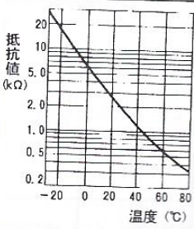
 | 3F | Green/Red | Throttle Position Signal (Narrow Range) | Throttle Position Sensor | During Idling (After Warm-up) (WOT) |  | 0.75~1.25
 |  |  |  |  | During Acceleration (Closed > WOT) |  | 1.0-->5.0 (Voltage Increases Smoothly)
 |  |  |  |  | WOT (Ignition Switch ON) |  | 4.8~5.0

 | Terminal | Wire Color | Signal Name | Component | Measurement Condition |  | Voltage
 | 3G | Black/Red | Throttle Position Signal (Full Range) | Throttle Position Sensor | During Idling (After Warm-up) (WOT) |  | 0.1~0.7
 |  |  |  |  | During Acceleration (Closed > WOT) |  | 0.4-->4.3
 |  |  |  |  | WOT (Ignition Switch ON) |  | 4.2~4.6
 | 3H | Green/Yellow | Intake Manifold Pressure Signal | Pressure Sensor | - |  | 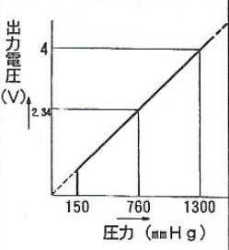
 | 3I | Brown/White | Constant Voltage Source (Vref) | - | Ignition Switch OFF |  | ≤1.0
 |  |  |  |  | Ignition Switch ON (During Idle) |  | About 5.0
 | 3J | - | - | - | - |  | -

 | 3K | Green/Orange | Intake Air Temperature Signal (Air Flow Meter) | Intake Air Temperature Sensor | - |  | 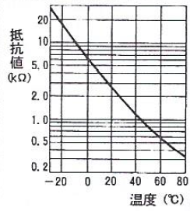
 | 3L | Green | Intake Air Temperature Signal (Engine) | Intake Air Temperature Sensor | - |  | 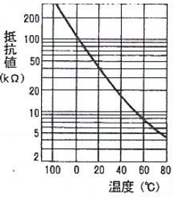
 | 3M | White | Knock Signal | Knock Sensor (Front) (20B-BREW Only) | Ignition Switch ON, No Knocking |  | Approx. 0

 | 3N* | Red | Knock Signal | Knock Sensor (Center) | Knocking Occurring (Strike the engine hangers with the ignition switch ON and the TEN terminal of the diag.connector shorted) |  | 0.1 - 0.5 (Reference Value) (This sometimes cannot be detected with regular testers.)
 | 3O* | Yellow/Green | Knock Signal | Knock Sensor (Rear)

 | *20B-REW Only

 | Terminal | Wire Color | Signal Name | Component | Measurement Condition |  | Voltage
 | 3P | Yellow/Red | Brake Signal | Brake light Switch | Brake Pedal Not Pressed |  | ≤1.0
 |  |  |  |  | Brake Pedal Pressed |  | Battery Voltage
 | 4A | Black/Green | Ground (Output Component) | - | Constant |  | ≤1.0
 | 4B | Black/Green | Ground (Output Component) | -
 | 4C | Black/Green | Ground (CPU) | -
 | 4D | Brown/Black | Ground (Input Component) | -
 | 4E | Black | NE Signal (+) (Crank Position Signal) | Crank Angle Sensor | Ignition Switch ON |  | ≤1.0
 |  |  |  |  | (Reference) Oscilloscope Waveform During Idling |  | 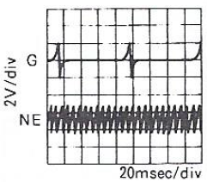 0.6-0.8 (Reference Value)
 |  |  |  |  | At 2500 RPM |  | 1.0-2.0
 | 4F | Gray/Black | Split Air Control Signal (Secondary Air System) | Split Air Solenoid Valve | Ignition Switch ON |  | Battery Voltage
 |  |  |  |  | During Idling |  | Battery Voltage
 |  |  |  |  | 1200-2500 RPMs (Driving After Warm-up) |  | ≤1.0
 | 4G | White | G Signal (+) (Crank Angle Reference Signal) | Crank Angle Sensor | Ignition Switch ON |  | ≤1.0
 |  |  |  |  | (Reference) Oscilloscope Waveform During Idling |  | 0.6-0.8 (Reference Value)
 |  |  |  |  | At 2500 RPM |  | 1.0-2.0

 | Terminal | Wire Color | Signal Name | Component | Measurement Condition |  | Voltage
 | 4H | Red | NE Signal (-) (Crank Angle Signal) | Crank Angle Sensor | Constant |  | ≤1.0

 | 4I | Black/Orange | Stepping Motor Drive Signal 1 | Stepping Motor | Ignition Switch ON |  | Battery Voltage
 | 4J | Black/Blue | Stepping Motor Drive Signal 2 |  | During Idling |  | 3 out of 4 Terminals: Battery Voltage Remaining Terminal; 5-9
 | 4K | Black/Pale Green | Stepping Motor Drive Signal 3
 | 4L | Black/Red | Stepping Motor Drive Signal 4
 | 4M | Blue | Lockup Control Signal | Lockup Control Relay | [1st or 2nd in D, S, L ranges, or P, R, N ranges) ≥1,250 RPM, ≤1,000 RPM |  | ≤1.0 Battery Voltage
 |  |  |  |  | [3rd in D or S ranges, or 4th in D range) All Engine Speeds |  | Battery Voltage
 | 4N | Blue/Yellow | Port Air Control Signal (Secondary Air System) | 3-way Solenoid Valve (PANCT) (Gray) | Ignition Switch ON |  | ≤1.0*
 |  |  |  |  | During Idling |  | ≤1.0
 |  |  |  |  | ≥2,900 RPM (13-BREW) ≥2,500 RPM (20B-REW) (After warm-up, no load) |  | Battery Voltage
 | 4O | Brown/White | Secondary Air Relief Signal (Secondary Air System) | 3-way Solenoid Valve (Sec. LF) (Blue) | Ignition Switch ON |  | Battery Voltage
 |  |  |  |  | During Idling |  | ≤1.0
 |  |  |  |  | ≥2,900 RPM (13-BREW) ≥2,500 RPM (20B-REW) (After warm-up) |  | Battery Voltage
 | 4P | Yellow/White | Torque Decrease Confirmation Signal | EC-AT CU | ・Decelerating at ≥1,000 RPMs ・Shifting with throttle above 4/8ths |  | Battery Voltage
 |  |  |  |  | All conditions beside the above |  | ≤1.0
 | 4Q | Blue/Green | ISC (Idle Speed Control) Signal | ISC Solenoid Valve | Ignition Switch ON |  | 9.0-11.0
 |  |  |  |  | During Idling (P range, no load) (Reference) Oscilloscope Waveform During Idling |  | 5.0-11.0 (Reference Value)
 |  |  |  |  | At 2000 RPM |  | 9.0-11.0
 |  |  |  |  | ≥3,200 RPM |  | 9.0-11.0

 | *Becomes battery voltage after 15 minutes

 | Terminal | Wire Color | Signal Name | Component | Measurement Condition |  | Voltage
 | 4R | Red/Pale Green | Double Throttle Control Signal | 3-way Solenoid Valve (DTCNT Double Throttle) Green | Ignition Switch ON (Cold engine for 20B-REW) |  | ≤1.0*
 |  |  |  |  | During Idling (After warm-up for 20B-BREW) |  | ≤1.0
 |  |  |  |  | ≥3,000 RPMs (After warm-up, no load) |  | Battery Voltage
 | 4S | Red/White | Water Temperature Control Signal | 3-way Solenoid Valve (WTCNT Water Temperature Control) White | Ignition Switch ON |  | Battery Voltage

 | 4T | - | - | - | - |  | -

 | 4U | Red/Black | Injector Drive Signal (#1P) | Fuel Injector (#1P) | Ignition Switch ON |  | Battery Voltage
 |  |  |  |  | During Idling |  | 12-14V
 | 4V | Red/Yellow | Injector Drive Signal (#1S) | Fuel Injector (#1S) | (Reference) Oscilloscope Waveform During Idling Secondary injectors do not activate during no-load condition. |  | 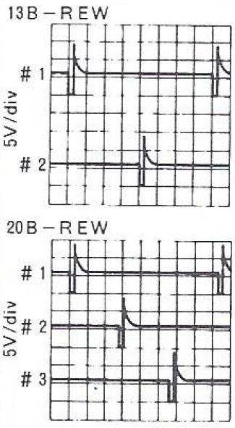
 | 4W | Red/Green | Injector Drive Signal (#2P) | Fuel Injector (#2P)
 | 4X | Red/Blue | Injector Drive Signal (#2S) | Fuel Injector (#2S)
 | 4Y | Yellow/Red | Injector Drive Signal (#3P) | Fuel Injector (#3P)
 | 4Z | Red/Pink | Injector Drive Signal (#3S) | Fuel Injector (#3S)
 | 5A | - | - | - | - |  | -

 | 5B | White/Black | A/P Control Signal | A/P Control Relay | From Idle to ≤2,500 RPM |  | ≤1.0
 |  |  |  |  | ≥2,500 RPMs |  | Battery Voltage
 | 5C | Red/Black | TDES1 Signal (Variable Exhaust) | 3-way Solenoid Valve (TDES) | Ignition Switch ON Idle to ≤2,500 RPM |  | ≤1.0*
 |  |  |  |  | ≥2,500 RPM (While Driving) |  | Battery Voltage

 | * Becomes battery voltage after 15 minutes

 | Terminal | Wire Color | Signal Name | Component | Measurement Condition |  | Voltage
 | 5D | - | - | - | - |  | -

. | 5E | Red/Blue | TDES2 Signal (Variable Exhaust) | 3-way Solenoid Valve (TDES) ? | Ignition Switch ON Idle to ≤3,000 RPM |  | ≤1.0*
 |  |  |  |  | ≥3,100 RPM (While Driving) |  | Battery Voltage
 | 5F | Blue/Green | Fuel Pump Drive Signal 2 | Fuel Pump Resister Relay 2 | Ignition Switch ON |  | Battery Voltage
 |  |  |  |  | During Cranking |  | ≤1.0*
 |  |  |  |  | During Idling |  | Battery Voltage
 | 5G | - | - | - | - |  | -
 | 5H
 | 5I
 | 5J
 | 5K
 | 5L | Pale Green/Red | IGS1-L (Leading Rotor Discrimination Signal) | Igniter | Ignition Switch ON |  | ≤1.0*
 |  |  |  |  | (Reference) Oscilloscope Waveform During Idling |  | 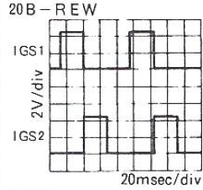 Approx. 1.5-2.5 (Reference Value)
 |  |  |  |  | At 2500 RPM |  | 1.5~2.5
 | 5M | Pale Green/Black | IGS2-L (Leading Rotor Discrimination Signal) | Igniter | Ignition Switch ON |  | ≤1.0
 |  |  |  |  | (Reference) Oscilloscope Waveform During Idling |  | Approx. 1.5-2.5 (Reference Value)
 |  |  |  |  | At 2500 RPM |  | 1.5~2.5

 | 5N | Brown/Black | IGS2-T (Trailing Rotor Discrimination Signal) | Igniter | (Reference) Oscilloscope Waveform During Idling |  | Approx. 1.5-2.5 (Reference Value)
 |  |  |  |  | 2500 RPM |  | 1.5~2.5
 | 5O | - | - | - | - | - | -
 | 5P

